SeatSelection
Seat Selection with LocalStorage

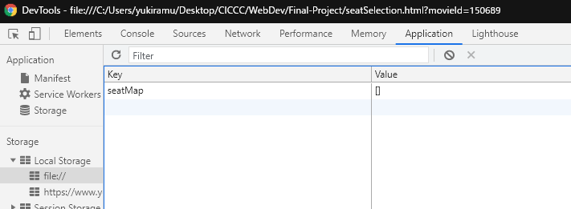
 | regular: $10
 | vip: $20

#1 Webpage loaded => prepare localStorage/ display movie info
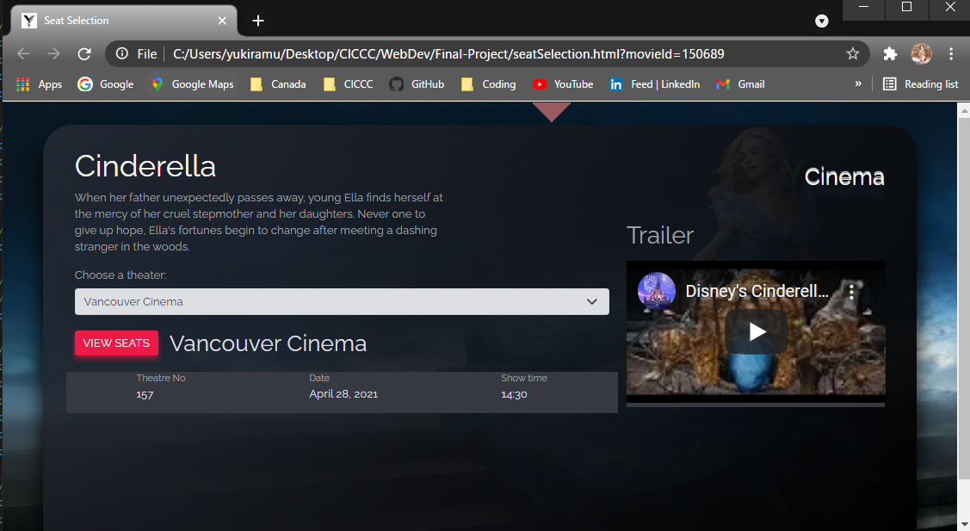

#2 When a theater is selected => onchange event

#3 when "VIEW SEATS" is clicked => displaySeatMap()
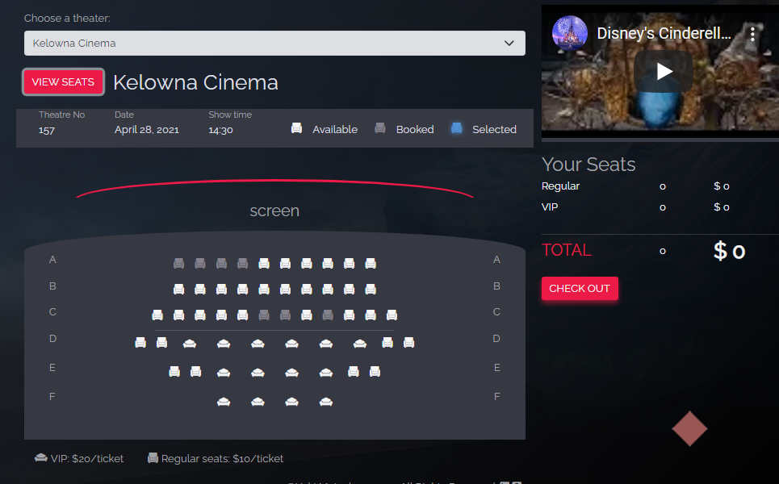

#4 when the seat is selected

#5 Checkout
Data already stored => need to update

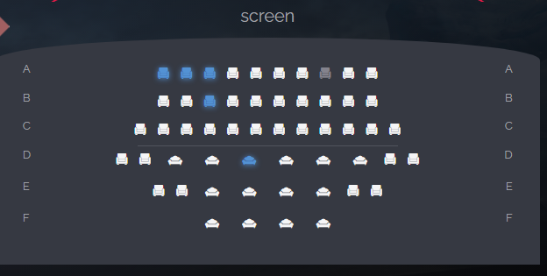
SeatArrayfromNodeList |  |  |  | #2: store the index to be updated
 |  |  |  | indexToBeUpdated (Array)
 |  |  |  | [0,1,2….]

 |  |  |  |  | #3: find the start index of storage
 |  |  |  |  | LocalStorage : seatMapArray
 |  |  |  |  | Key | Value
 |  |  |  |  | seatMap | Vancouver: 0 ~ 53
 |  |  |  |  |  | Kelowna: 54 ~107
 |  |  |  |  |  | Toronto: 108 ~ 161

 |  |  |  |  |  | startInde : 54

 |  |  |  |  | #4: update seatMapArray
 |  |  |  |  | i.e) Kelowna
 |  |  |  |  | Kelowna localStorage |  | seatMapArray (all localStorage)
 |  |  |  |  | 54 { } booked |  | 0{ }
 |  |  |  |  | 55{ } booked |  | 1{ }
 |  | indexToBeUpdated |  |  | 56{ } booked |  | 2{ }
 |  | elem = | 0 |  | 57{ } |  | 3{ }
 |  |  | 1 |  | . |  | .
 |  |  | 2 |  | . |  | 54{ }
 |  |  |  |  | . |  | . | Kelowna data
 |  |  |  |  | 107{ } |  | .
 |  |  |  |  |  |  | 107{ }
 |  |  |  |  | startIndex = 54 |  | .
 |  |  |  |  |  |  | .
 |  |  |  |  |  |  | 161{ }

